Sheet1
Test case Name | Test case Description | Steps | Expected Result | Actual Result | Evidence -1 | Evidence -2
Product recommendation display | Test whether the product recommendations appear on the pdp page | 1)Open the pdp page for a product( currently recommendations are implemented only for the category "oils and edible") | The product recommendations should appear on the pdp page | Product recommendations are appearing on the pdp page | 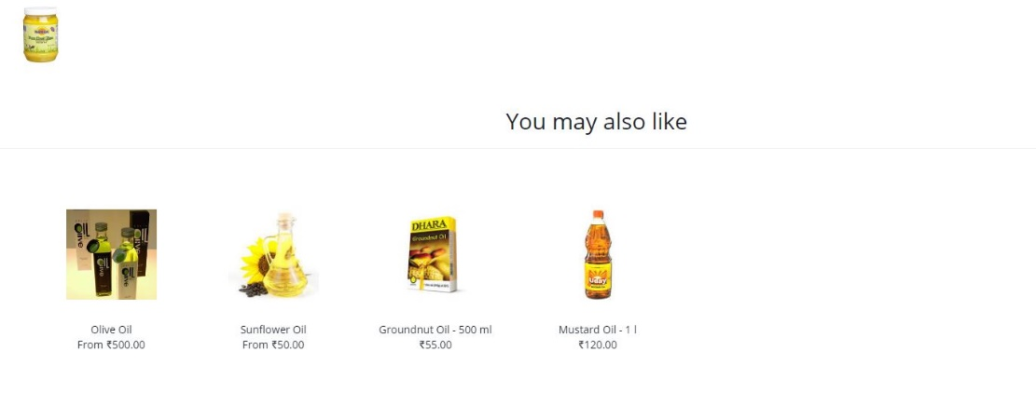

Product recommendation redirect | Test whether on clicking on the product recommendations, it redirects to the pdp page of the corresponding product | 1) Click on one of the recommendations | On clciking on the recommendations it should redirect to the corresponding pdp page | On clicking on the recommendations it redirects to the corresponding pdp page

